103，IFANPro
ITALY IFANpro Industry CO.,LTD
IFANpro PPR PIPE AND FITTING-意大利亿帆保罗管业有限公司
ADD： Italy
Email: www.ifanplus.com Contact Person: IFAN WANG Mobil/WHATSAPP: 008613656666030
1-103-1，IFANPro 103 PPR
Code | Name | Pictures | Size | 4M/BAG | 含税 RMB | FOB RMB | RMB/4M EXW | G/4M | CBM
 |  |  |  |  | 163报价 | 163报价 | 163报价
1031-1 | Pure PPR PIPE PN20 4m/pc Single layer A | 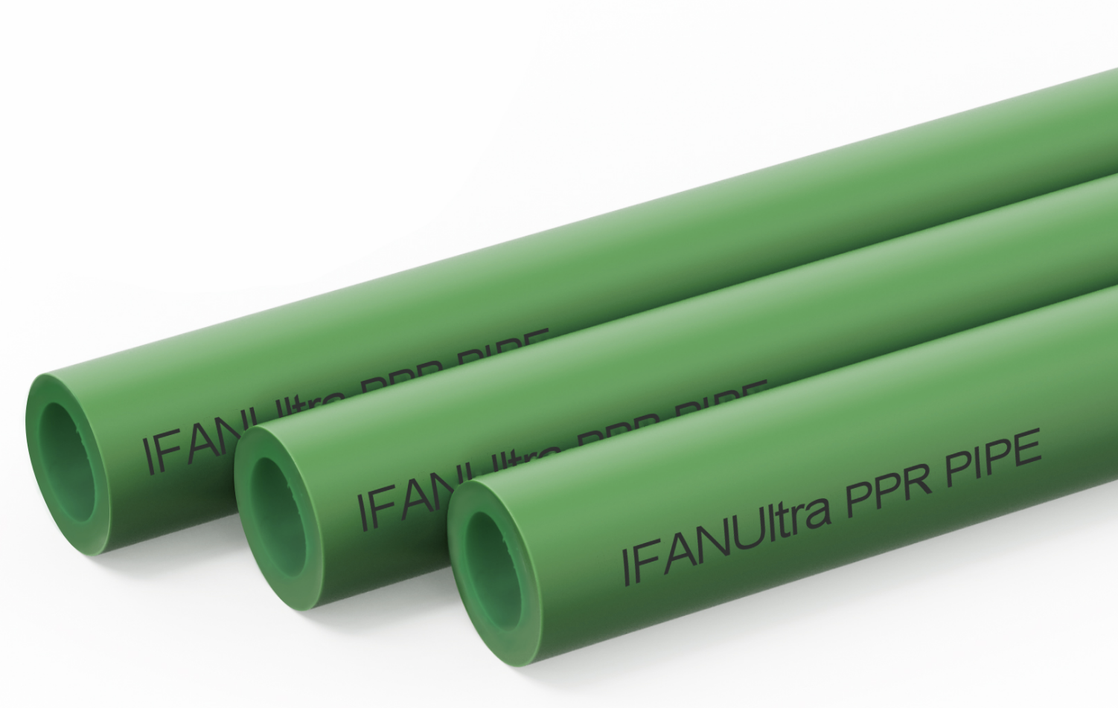 | 20×2.8×4m | 50 | ￥7.60 | ￥6.69 | ￥6.69 | 608 | 0.092
1031-2 |  |  | 25×3.5×4m | 35 | ￥11.25 | ￥9.90 | ￥9.90 | 900 | 0.092
1031-3 |  |  | 32×4.4×4m | 20 | ￥18.25 | ￥16.06 | ￥16.06 | 1460 | 0.092
1031-4 |  |  | 40×5.5×4m | 15 | ￥28.40 | ￥24.99 | ￥24.99 | 2272 | 0.092
1031-5 |  |  | 50×6.9×4m | 10 | ￥44.50 | ￥39.16 | ￥39.16 | 3560 | 0.092
1031-6 |  |  | 63×8.6×4m | 6 | ￥71.50 | ￥62.92 | ￥62.92 | 5720 | 0.092
1031-7 | Pure PPR PIPE PN25 4m/pc Single layer A |  | 20×3.4×4m | 50 | ￥8.60 | ￥7.57 | ￥7.57 | 688 | 0.092
1031-8 |  |  | 25×4.2×4m | 35 | ￥12.60 | ￥11.09 | ￥11.09 | 1008 | 0.092
1031-9 |  |  | 32×5.4×4m | 20 | ￥20.85 | ￥18.35 | ￥18.35 | 1668 | 0.092
1031-10 |  |  | 40×6.7×4m | 15 | ￥34.00 | ￥29.92 | ￥29.92 | 2720 | 0.092
1031-11 |  |  | 50×8.4×4m | 10 | ￥52.50 | ￥46.20 | ￥46.20 | 4200 | 0.092
1031-12 |  |  | 63×10.5×4m | 6 | ￥87.50 | ￥77.00 | ￥77.00 | 7000 | 0.092
1031-13 | Pure PPR PIPE PN20 2layer 4m/pc A | 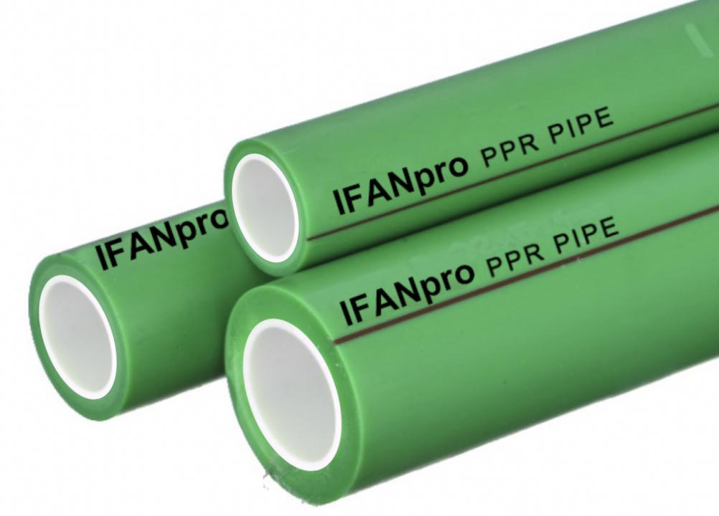 | 20×2.8×4m | 50 | ￥7.60 | ￥6.69 | ￥6.69 | 608 | 0.092
1031-14 |  |  | 25×3.5×4m | 35 | ￥11.25 | ￥9.90 | ￥9.90 | 900 | 0.092
1031-15 |  |  | 32×4.4×4m | 20 | ￥18.25 | ￥16.06 | ￥16.06 | 1460 | 0.092
1031-16 |  |  | 40×5.5×4m | 15 | ￥28.40 | ￥24.99 | ￥24.99 | 2272 | 0.092
1031-17 |  |  | 50×6.9×4m | 10 | ￥44.50 | ￥39.16 | ￥39.16 | 3560 | 0.092
1031-18 |  |  | 63×8.6×4m | 6 | ￥71.50 | ￥62.92 | ￥62.92 | 5720 | 0.092
1031-19 | Pure PPR PIPE PN25 2layer 4m/pc A |  | 20×3.4×4m | 50 | ￥8.60 | ￥7.57 | ￥7.57 | 688 | 0.092
1031-20 |  |  | 25×4.2×4m | 35 | ￥12.60 | ￥11.09 | ￥11.09 | 1008 | 0.092
1031-21 |  |  | 32×5.4×4m | 20 | ￥20.85 | ￥18.35 | ￥18.35 | 1668 | 0.092
1031-22 |  |  | 40×6.7×4m | 15 | ￥34.00 | ￥29.92 | ￥29.92 | 2720 | 0.092
1031-23 |  |  | 50×8.4×4m | 10 | ￥52.50 | ￥46.20 | ￥46.20 | 4200 | 0.092
1031-24 |  |  | 63×10.5×4m | 6 | ￥87.50 | ￥77.00 | ￥77.00 | 7000 | 0.092
1031-25 | Pure PPR PIPE PN20 3layer 4m/pc A |  | 20×2.8×4m | 50 | ￥7.60 | ￥6.69 | ￥6.69 | 608 | 0.092
1031-26 |  |  | 25×3.5×4m | 35 | ￥11.25 | ￥9.90 | ￥9.90 | 900 | 0.092
1031-27 |  |  | 32×4.4×4m | 20 | ￥18.25 | ￥16.06 | ￥16.06 | 1460 | 0.092
1031-28 |  |  | 40×5.5×4m | 15 | ￥28.40 | ￥24.99 | ￥24.99 | 2272 | 0.092
1031-29 |  |  | 50×6.9×4m | 10 | ￥44.50 | ￥39.16 | ￥39.16 | 3560 | 0.092
1031-30 |  |  | 63×8.6×4m | 6 | ￥71.50 | ￥62.92 | ￥62.92 | 5720 | 0.092
1031-31 | Pure PPR PIPE PN25 3layer 4m/pc A | 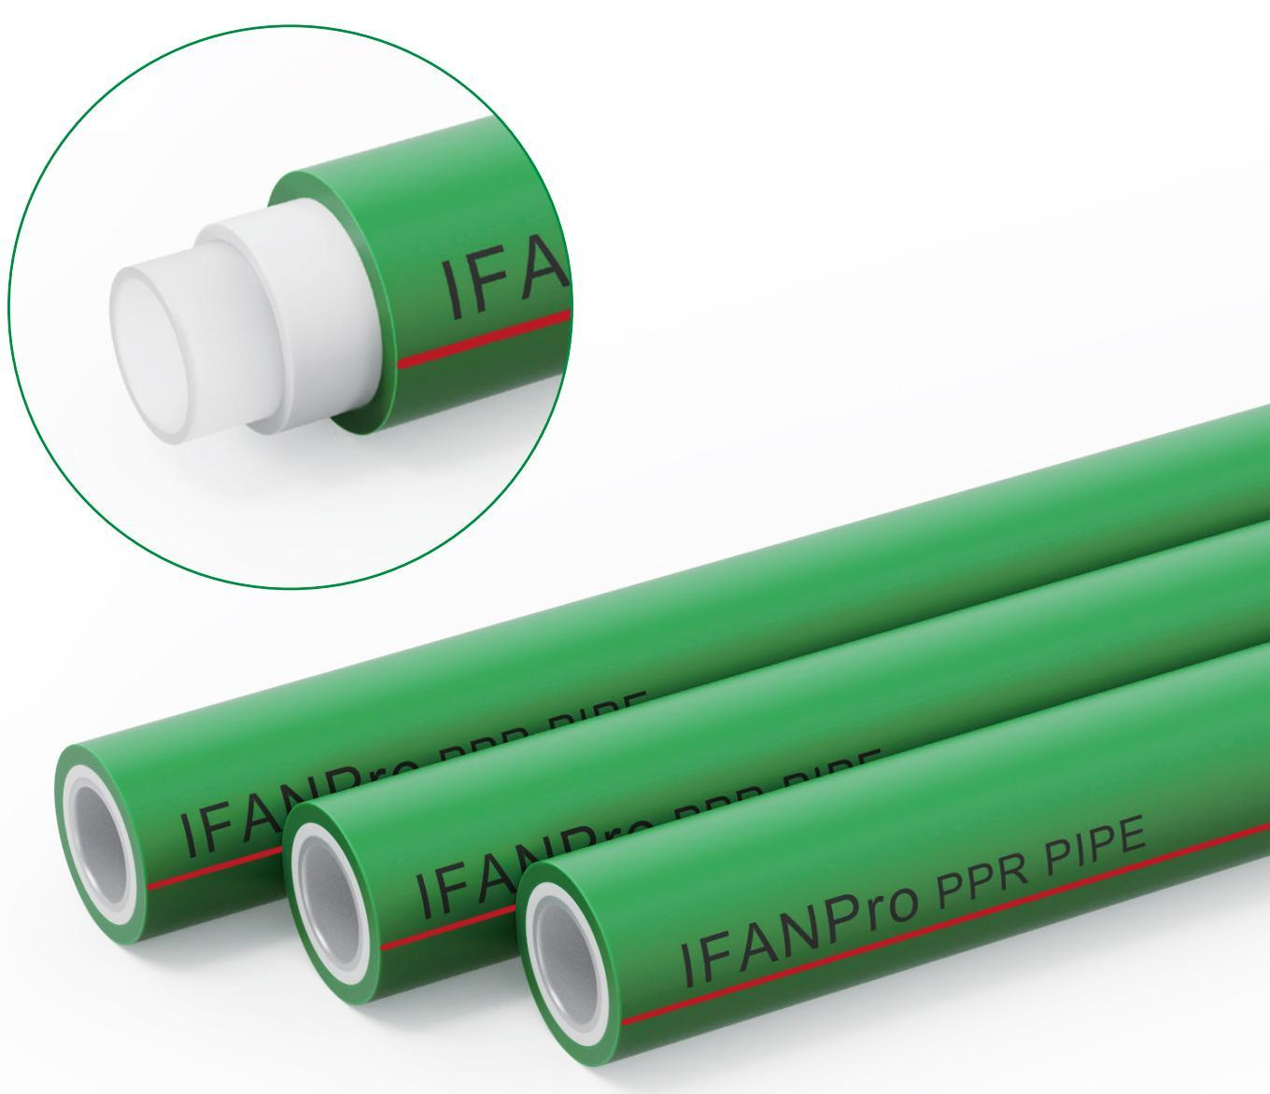 | 20×3.4×4m | 50 | ￥8.60 | ￥7.57 | ￥7.57 | 688 | 0.092
1031-32 |  |  | 25×4.2×4m | 35 | ￥12.60 | ￥11.09 | ￥11.09 | 1008 | 0.092
1031-33 |  |  | 32×5.4×4m | 20 | ￥20.85 | ￥18.35 | ￥18.35 | 1668 | 0.092
1031-34 |  |  | 40×6.7×4m | 15 | ￥34.00 | ￥29.92 | ￥29.92 | 2720 | 0.092
1031-35 |  |  | 50×8.4×4m | 10 | ￥52.50 | ￥46.20 | ￥46.20 | 4200 | 0.092
1031-36 |  |  | 63×10.5×4m | 6 | ￥87.50 | ￥77.00 | ￥77.00 | 7000 | 0.092
1031-37 | Elbow A | 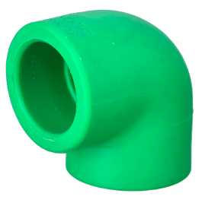 | L20 103/M10 | 400 | ￥0.25 | ￥0.22 | ￥0.22 | 15 | 0.036
1031-38 |  |  | L25 103/M10 | 400 | ￥0.39 | ￥0.34 | ￥0.34 | 22 | 0.036
1031-39 |  |  | L32 103/M10 | 200 | ￥0.81 | ￥0.71 | ￥0.71 | 42 | 0.036
1031-40 |  |  | L40 103/M10 | 180 | ￥1.36 | ￥1.20 | ￥1.20 | 75 | 0.036
1031-41 |  |  | L50 103/M10 | 110 | ￥2.15 | ￥1.89 | ￥1.89 | 118 | 0.036
1031-42 |  |  | L63 103/M10 | 60 | ￥4.11 | ￥3.62 | ￥3.62 | 213 | 0.036
1031-43 | Socket A | 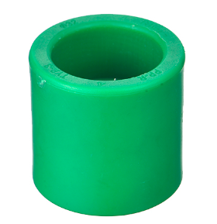 | S20 103/M10 | 700 | ￥0.18 | ￥0.16 | ￥0.16 | 11 | 0.036
1031-44 |  |  | S25 103/M10 | 500 | ￥0.27 | ￥0.24 | ￥0.24 | 15 | 0.036
1031-45 |  |  | S32 103/M10 | 250 | ￥0.49 | ￥0.44 | ￥0.44 | 26 | 0.036
1031-46 |  |  | S40 103/M10 | 300 | ￥0.82 | ￥0.72 | ￥0.72 | 45 | 0.036
1031-47 |  |  | S50 103/M10 | 190 | ￥1.25 | ￥1.10 | ￥1.10 | 69 | 0.036
1031-48 |  |  | S63 103/M10 | 100 | ￥2.18 | ￥1.92 | ￥1.92 | 120 | 0.036
1031-49 | Tee A | 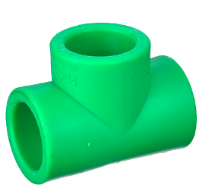 | T20 103/M10 | 400 | ￥0.34 | ￥0.30 | ￥0.30 | 20 | 0.036
1031-50 |  |  | T25 103/M10 | 250 | ￥0.54 | ￥0.47 | ￥0.47 | 31 | 0.036
1031-51 |  |  | T32 103/M10 | 150 | ￥1.02 | ￥0.90 | ￥0.90 | 53 | 0.036
1031-52 |  |  | T40 103/M10 | 130 | ￥1.73 | ￥1.52 | ￥1.52 | 95 | 0.036
1031-53 |  |  | T50 103/M10 | 80 | ￥2.82 | ￥2.48 | ￥2.48 | 155 | 0.036
1031-54 |  |  | T63 103/M10 | 50 | ￥5.09 | ￥4.48 | ￥4.48 | 280 | 0.036
1031-55 | Reduce Socket ifan no brand A | 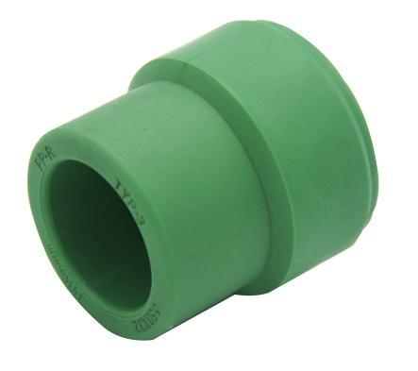 | S25×20 103/M10 | 700 | ￥0.20 | ￥0.18 | ￥0.18 | 12 | 0.036
1031-56 |  |  | S32×20 103/M10 | 450 | ￥0.30 | ￥0.26 | ￥0.26 | 16 | 0.036
1031-57 |  |  | S32×25 103/M10 | 500 | ￥0.37 | ￥0.32 | ￥0.32 | 19 | 0.036
1031-58 |  |  | S40×20 103/M10 | 440 | ￥0.46 | ￥0.41 | ￥0.41 | 24 | 0.036
1031-59 |  |  | S40×32 101/M02 | 440 | ￥0.59 | ￥0.52 | ￥0.52 | 30 | 0.036
1031-60 |  |  | S50×40 101/M02 | 250 | ￥1.00 | ￥0.88 | ￥0.88 | 52 | 0.036
1031-61 |  |  | S63×25 103/M10 | 160 | ￥1.41 | ￥1.24 | ￥1.24 | 73 | 0.036
1031-62 |  |  | S63×40 103/M10 | 160 | ￥1.62 | ￥1.43 | ￥1.43 | 84 | 0.036
1031-63 |  |  | S63×50 101/M02 | 160 | ￥1.74 | ￥1.53 | ￥1.53 | 90 | 0.036
1031-64 | Reduce Tee ifan no brand A | 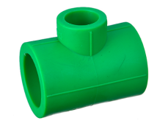 | T25×20 101/M02 | 500 | ￥0.46 | ￥0.40 | ￥0.40 | 26 | 0.036
1031-65 |  |  | T32×20 101/M02 | 320 | ￥0.77 | ￥0.68 | ￥0.68 | 40 | 0.036
1031-66 |  |  | T32×25 101/M02 | 280 | ￥0.89 | ￥0.78 | ￥0.78 | 46 | 0.036
1031-67 |  |  | T40×32 101/M02 | 160 | ￥1.56 | ￥1.38 | ￥1.38 | 81 | 0.036
1031-68 |  |  | T50×40 101/M02 | 90 | ￥2.40 | ￥2.11 | ￥2.11 | 124 | 0.036
1031-69 |  |  | T63×50 101/M02 | 60 | ￥4.33 | ￥3.81 | ￥3.81 | 224 | 0.036
1031-70 | Reduce Elbow A | 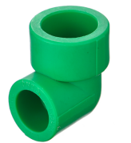 | L25×20 101/M02 | 650 | ￥0.42 | ￥0.37 | ￥0.37 | 24 | 0.036
1031-71 |  |  | L32×20 101/M02 | 460 | ￥0.62 | ￥0.54 | ￥0.54 | 32 | 0.036
1031-72 |  |  | L32×25 101/M02 | 375 | ￥0.81 | ￥0.71 | ￥0.71 | 42 | 0.036
1031-73 | elbow 45° ifan no brand A | 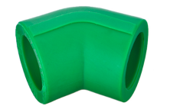 | L20x45° 103/M10 | 500 | ￥0.25 | ￥0.22 | ￥0.22 | 12 | 0.036
1031-74 |  |  | L25x45° 103/M10 | 500 | ￥0.42 | ￥0.37 | ￥0.37 | 20 | 0.036
1031-75 |  |  | L32×45° 101/M02 | 400 | ￥0.80 | ￥0.70 | ￥0.70 | 36 | 0.036
1031-76 |  |  | L40×45° 101/M02 | 200 | ￥1.43 | ￥1.26 | ￥1.26 | 70 | 0.036
1031-77 |  |  | L50×45° 101/M02 | 125 | ￥2.45 | ￥2.16 | ￥2.16 | 120 | 0.036
1031-78 |  |  | L63×45° 101/M02 | 72 | ￥4.09 | ￥3.60 | ￥3.60 | 200 | 0.036
1031-79 | End Cap ifan no brand A | 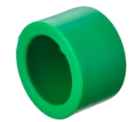 | D20 101/M02 | 2800 | ￥0.14 | ￥0.12 | ￥0.12 | 8 | 0.036
1031-80 |  |  | D25 101/M02 | 1600 | ￥0.21 | ￥0.19 | ￥0.19 | 12 | 0.036
1031-81 |  |  | D32 101/M02 | 1000 | ￥0.35 | ￥0.31 | ￥0.31 | 18 | 0.036
1031-82 |  |  | D40 101/M02 | 450 | ￥0.49 | ￥0.44 | ￥0.44 | 30 | 0.036
1031-83 |  |  | D50 101/M02 | 300 | ￥0.95 | ￥0.83 | ￥0.83 | 52 | 0.036
1031-84 |  |  | D63 101/M02 | 170 | ￥1.75 | ￥1.54 | ￥1.54 | 96 | 0.036
1031-85 | Bridge FF A |  | 20 B101/M02 | 400 | ￥1.48 | ￥1.31 | ￥1.31 | 30 | 0.036
1031-86 |  |  | 25 B101/M02 | 280 | ￥2.19 | ￥1.93 | ￥1.93 | 47 | 0.036
1031-87 |  |  | 32 B101/M02 | 200 | ￥3.44 | ￥3.02 | ￥3.02 | 72 | 0.036
1031-88 | Plastic union PN25 Mold 1 FF A | 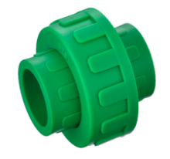 | 20 101/M02 | 550 | ￥1.33 | ￥1.17 | ￥1.17 | 27 | 0.036
1031-89 |  |  | 25 101/M02 | 340 | ￥1.97 | ￥1.73 | ￥1.73 | 45 | 0.036
1031-90 |  |  | 32 101/M02 | 240 | ￥2.47 | ￥2.17 | ￥2.17 | 63 | 0.036
1031-91 |  |  | 40 101 WX | 150 | ￥2.85 | ￥2.51 | ￥2.51 | 81 | 0.036
1031-92 |  |  | 50 101 WX | 120 | ￥3.87 | ￥3.40 | ￥3.40 | 108 | 0.036
1031-93 |  |  | 63 101 WX | 60 | ￥6.55 | ￥5.76 | ￥5.76 | 180 | 0.036
1031-94 | Thread plug-1 FF A | 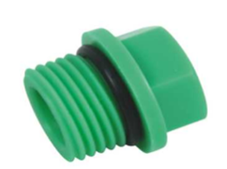 | 1/2m 101/M02 | 2400 | ￥0.20 | ￥0.18 | ￥0.18 | 5 | 0.036
1031-95 |  |  | 3/4m 101/M02 | 1800 | ￥0.29 | ￥0.26 | ￥0.26 | 7 | 0.036
1031-96 |  |  | 1″m 101/M02 | 100 | ￥0.46 | ￥0.41 | ￥0.41 | 10 | 0.036
1031-97 | Pipe clip FF A |  | 20 101/M02 | 2200 | ￥0.19 | ￥0.17 | ￥0.17 | 5 | 0.036
1031-98 |  |  | 25 101/M02 | 1500 | ￥0.23 | ￥0.21 | ￥0.21 | 6 | 0.036
1031-99 |  |  | 32 101/M02 | 1000 | ￥0.38 | ￥0.34 | ￥0.34 | 8 | 0.036
1031-100 |  |  | 40 101/M02 | 450 | ￥0.47 | ￥0.41 | ￥0.41 | 14 | 0.036
1031-101 | Female thread socket Mold-1 B | 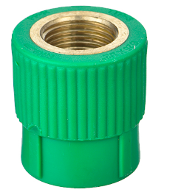 | S20×1/2F 103/M10 | 400 | ￥2.86 | ￥2.68 | ￥2.52 | 36 | 0.036
1031-102 |  |  | S25×1/2F 103/M10 | 300 | ￥3.18 | ￥2.98 | ￥2.80 | 40 | 0.036
1031-103 |  |  | S25×3/4F 103/M10 | 220 | ￥4.22 | ￥3.95 | ￥3.71 | 53 | 0.036
1031-104 |  |  | S32×3/4F 103/M49 | 220 | ￥5.81 | ￥5.44 | ￥5.11 | 73 | 0.027
1031-105 |  |  | S32×1″F 带六角 103/M10 | 100 | ￥15.91 | ￥14.89 | ￥14.00 | 200 | 0.036
1031-106 |  |  | S40×1-1/4F 带六角 103/M10 | 100 | ￥17.26 | ￥16.16 | ￥15.19 | 217 | 0.027
1031-107 |  |  | S50×1-1/2F 带六角 103/M10 | 80 | ￥21.95 | ￥20.55 | ￥19.32 | 276 | 0.027
1031-108 |  |  | S63×2″F 带六角 103/M10 | 52 | ￥35.08 | ￥32.84 | ￥30.87 | 441 | 0.027
1031-109 | Male thread socket Mold-1 B | 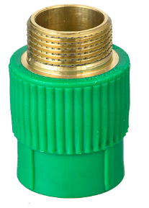 | S20×1/2M 103/M10 | 300 | ￥3.66 | ￥3.43 | ￥3.22 | 46 | 0.036
1031-110 |  |  | S25×1/2M 103/M10 | 250 | ￥3.98 | ￥3.72 | ￥3.50 | 50 | 0.036
1031-111 |  |  | S25×3/4M 103/M10 | 220 | ￥5.09 | ￥4.77 | ￥4.48 | 64 | 0.036
1031-112 |  |  | S32×3/4M 103/M49 | 200 | ￥6.68 | ￥6.26 | ￥5.88 | 84 | 0.027
1031-113 |  |  | S32×1″M 带六角 103/M10 | 80 | ￥15.35 | ￥14.37 | ￥13.51 | 193 | 0.036
1031-114 |  |  | S40×1-1/4M 带六角 103/M10 | 90 | ￥20.68 | ￥19.36 | ￥18.20 | 260 | 0.027
1031-115 |  |  | S50×1-1/2M 带六角 103/M10 | 65 | ￥26.33 | ￥24.65 | ￥23.17 | 331 | 0.027
1031-116 |  |  | S63×2″M 带六角 103/M10 | 48 | ￥35.16 | ￥32.91 | ￥30.94 | 442 | 0.027
1031-117 | Female thread elbow Mold-1 B |  | L20×1/2F 103/M10 | 250 | ￥3.82 | ￥3.57 | ￥3.36 | 48 | 0.036
1031-118 |  |  | L25×1/2F 103/M10 | 200 | ￥4.24 | ￥3.97 | ￥3.73 | 53 | 0.036
1031-119 |  |  | L25×3/4F 103/M10 | 150 | ￥5.49 | ￥5.14 | ￥4.83 | 69 | 0.036
1031-120 |  |  | L32×1″F 103/M10 | 100 | ￥10.50 | ￥9.83 | ￥9.24 | 132 | 0.036
1031-121 | Male thread elbow Mold-1 B |  | L20×1/2M 103/M10 | 250 | ￥4.22 | ￥3.95 | ￥3.71 | 53 | 0.036
1031-122 |  |  | L25×1/2M 103/M10 | 250 | ￥4.61 | ￥4.32 | ￥4.06 | 58 | 0.036
1031-123 |  |  | L25×3/4M 103/M10 | 120 | ￥6.02 | ￥5.64 | ￥5.30 | 76 | 0.036
1031-124 |  |  | L32×1″M 103/M10 | 100 | ￥12.09 | ￥11.32 | ￥10.64 | 152 | 0.036
1031-125 | Female thread Tee B |  | T20×1/2F 103/M10 | 220 | ￥4.12 | ￥3.86 | ￥3.63 | 52 | 0.036
1031-126 |  |  | T25×1/2F 103/M10 | 160 | ￥4.77 | ￥4.47 | ￥4.20 | 60 | 0.036
1031-127 |  |  | T25×3/4F 103/M10 | 110 | ￥5.81 | ￥5.44 | ￥5.11 | 73 | 0.036
1031-128 |  |  | T32×1″F 103/M49 | 80 | ￥10.02 | ￥9.38 | ￥8.82 | 126 | 0.027
1031-129 | Male thread Tee B |  | T20×1/2M 103/M10 | 200 | ￥4.61 | ￥4.32 | ￥4.06 | 58 | 0.036
1031-130 |  |  | T25×1/2M 103/M10 | 140 | ￥5.57 | ￥5.21 | ￥4.90 | 70 | 0.036
1031-131 |  |  | T25×3/4M 103/M10 | 100 | ￥6.44 | ￥6.03 | ￥5.67 | 81 | 0.036
1031-132 |  |  | T32×1″M 103/M49 | 70 | ￥10.82 | ￥10.13 | ￥9.52 | 136 | 0.027
1031-133 | Double Elbow B |  | 20x1/2F 101/M03 | 110 | ￥4.77 | ￥4.47 | ￥4.20 | 135 | 0.027
1031-134 |  |  | 25x1/2F 101/M03 | 100 | ￥5.00 | ￥4.68 | ￥4.40 | 136 | 0.027
1031-135 | Female Union B | 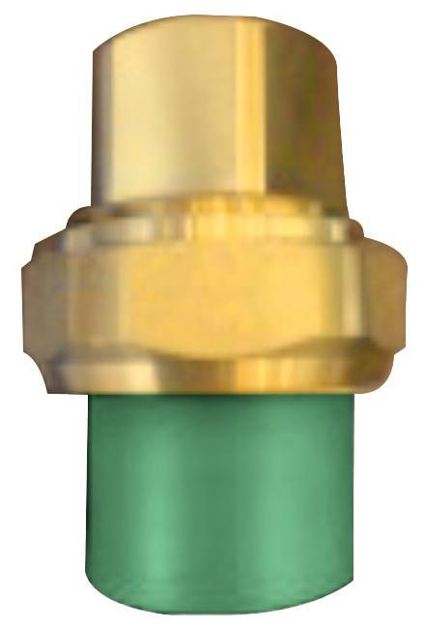 | 20×1/2F 103+109 | 500 | ￥7.56 | ￥7.07 | ￥6.65 | 95 | 0.036
1031-136 |  |  | 25×3/4F 103+109 | 280 | ￥12.49 | ￥11.69 | ￥10.99 | 157 | 0.036
1031-137 |  |  | 32×1″F 103+109 | 200 | ￥16.94 | ￥15.86 | ￥14.91 | 210 | 0.036
1031-138 |  |  | 40×1-1/4F 103+106 | 50 | ￥25.82 | ￥24.17 | ￥22.72 | 320 | 0.014
1031-139 |  |  | 50×1-1/2F 103+106 | 25 | ￥44.29 | ￥41.47 | ￥38.98 | 549 | 0.014
1031-140 |  |  | 63×2″F 103+106 | 20 | ￥66.80 | ￥62.54 | ￥58.79 | 828 | 0.014
1031-141 | Male Union B | 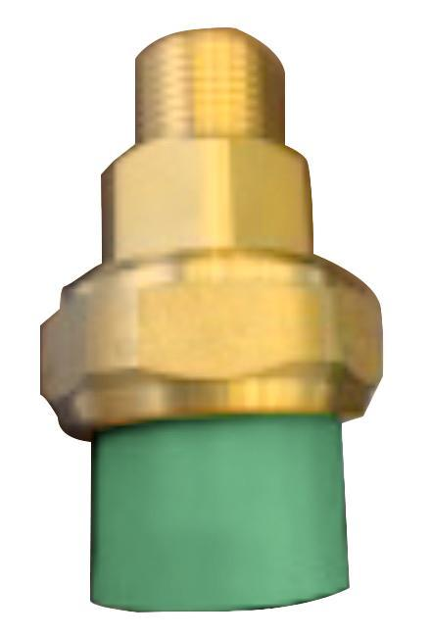 | 20×1/2M 103+109 | 450 | ￥8.35 | ￥7.82 | ￥7.35 | 105 | 0.036
1031-142 |  |  | 25×3/4M 103+109 | 240 | ￥13.68 | ￥12.81 | ￥12.04 | 172 | 0.036
1031-143 |  |  | 32×1″M 103+109 | 160 | ￥18.15 | ￥16.99 | ￥15.98 | 225 | 0.036
1031-144 |  |  | 40×1-1/4M 103+106 | 50 | ￥28.72 | ￥26.89 | ￥25.28 | 356 | 0.018
1031-145 |  |  | 50×1-1/2M 103+106 | 25 | ￥46.63 | ￥43.66 | ￥41.04 | 578 | 0.018
1031-146 |  |  | 63×2″M 103+106 | 16 | ￥71.00 | ￥66.47 | ￥62.48 | 880 | 0.018
1031-147 | stop valve A | 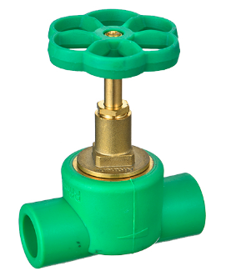 | 20×1/2F 105+205 | 50 | ￥14.18 | ￥12.48 | ￥12.48 | 195 | 0.036
1031-148 |  |  | 25×3/4F 105+205 | 50 | ￥14.91 | ￥13.12 | ￥13.12 | 205 | 0.036
1031-149 |  |  | 32×3/4F 105+205 | 50 | ￥24.34 | ￥21.42 | ￥21.42 | 340 | 0.036
1031-150 |  |  | 40x1F 104+220 | 45 | ￥30.88 | ￥27.17 | ￥27.17 |  | 0.036
1031-151 |  |  | 50x1-1/4F 104+220 | 40 | ￥43.23 | ￥38.04 | ￥38.04 |  | 0.036
1031-152 |  |  | 63x1-1/2F 104+220 | 35 | ￥67.93 | ￥59.78 | ￥59.78 |  | 0.036
1031-153 | Concealde valve A | 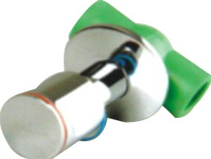 | 20×1/2F 105+6305 | 50 | ￥27.28 | ￥24.01 | ￥24.01 | 343 | 0.036
1031-154 |  |  | 25×3/4F 105+6305 | 50 | ￥29.03 | ￥25.55 | ￥25.55 | 350 | 0.036
1031-155 |  |  | 32×3/4F 105+6305 | 50 | ￥40.23 | ￥35.41 | ￥35.41 | 485 | 0.036
1031-156 | ppr Brass ball valve FF A | 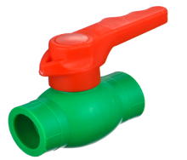 | 20 101+202 | 120 | ￥4.35 | ￥3.82 | ￥3.82 | 89 | 0.027
1031-157 |  |  | 25 101+202 | 90 | ￥5.95 | ￥5.23 | ￥5.23 | 117 | 0.027
1031-158 |  |  | 32 101+202 | 60 | ￥8.34 | ￥7.34 | ￥7.34 | 161 | 0.027
1031-159 |  |  | 40 101+202 | 36 | ￥18.52 | ￥16.30 | ￥16.30 | 283 | 0.027
1031-160 |  |  | 50 101+202 | 22 | ￥30.83 | ￥27.13 | ￥27.13 | 470 | 0.027
1031-161 |  |  | 63 101+202 | 12 | ￥43.89 | ￥38.62 | ￥38.62 | 795 | 0.027
1031-162 | PPR double union ball valve,Brass Core A | 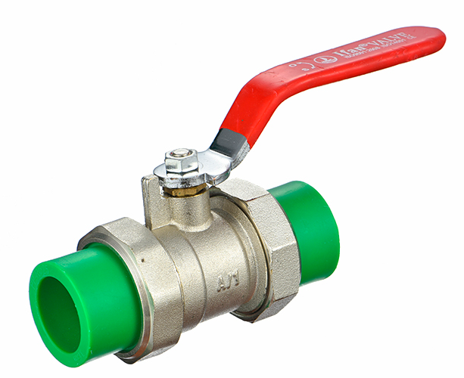 | 20 88061 | 80 | ￥21.27 | ￥18.72 | ￥18.72 | 260 | 0.027
1031-163 |  |  | 25 88061 | 60 | ￥27.19 | ￥23.93 | ￥23.93 | 330 | 0.027
1031-164 |  |  | 32 88061 | 40 | ￥42.31 | ￥37.23 | ￥37.23 | 510 | 0.027
1031-165 |  |  | 40 88061 | 24 | ￥74.45 | ￥65.52 | ￥65.52 | 840 | 0.027
1031-166 |  |  | 50 88061 | 24 | ￥113.47 | ￥99.86 | ￥99.86 | 1264 | 0.027
1031-167 |  |  | 63 88061 | 14 | ￥170.45 | ￥150.00 | ￥150.00 | 1875 | 0.027
1031-168 | Cutter Ifan G |  | 16-40 89M320 WX | 50 | ￥21.14 | ￥18.60 | ￥18.60 | 385 | 0.058
1031-169 | PPR hot machiner Ifan G |  | 20-63 89M122 WX | 5 | ￥159.75 | ￥140.58 | ￥140.58 | 1394 | 0.074

